Sheet1
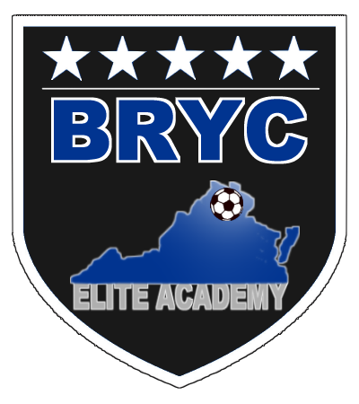

 |  | BRYC ELITE ACADEMY
 |  | 2018-2019
 |  | SPRING Practice Tee Request Form

All BRYC Elite Academy players receive ONE free practice in the Fall and ONE free practice tee in the
Spring. Extras can be purchased for $8 each. Orders MUST be placed by TEAM. Individual parent
orders will not be filled. Orders will NOT be filled until payment is received.

How to Order: Please complete form electronically and EMAIL to Eileen Prophett at
practicetee@brycsoccer.com

How/Where to Pay: Please make check(s) payable to BRYC Travel Soccer and mail to PO Box 2986
Merrifield, VA 22116-9998. PLEASE INCLUDE A COPY OF THE ORDER FORM WITH PAYMENT.

How/Where to Pickup: Contact Name on form will be notified via email when the order is ready for
pick-up. Orders can be picked up at 11442 Stone Mill Court, Oakton VA.

Boys: |  | Girls: |  |  | Age: U-

Team Name:
 | Example: BRYC Elite Academy ECNL U14
Contact Name:

Email: |  |  |  | Cell Phone:

 | SHORT SLEEVE TRAINING TEE

# of Players on Roster:

 | Size | Qty |  | Size | Qty
 | Youth Medium |  |  | Adult Medium
 | Youth Large |  |  | Adult Large
 | Adult Small |  |  | Adult X Large
 |  |  |  | TOTAL | 0

 | ADDITIONAL SHIRTS FOR PURCHASE

 |  | SHORT SLEEVE TEE: $8.00 EACH
 |  | Size | Qty | Cost
 |  | Youth Medium |  | $0
 |  | Youth Large |  | $0
 |  | Adult Small |  | $0
 |  | Adult Medium |  | $0
 |  | Adult Large |  | $0
 |  | Adult X Large |  | $0
 |  | TOTAL | 0 | $0

