Sheet1
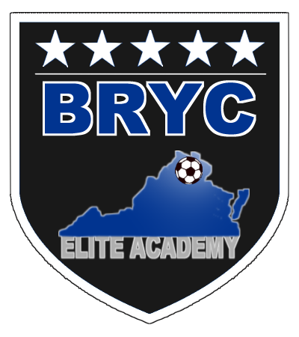

 |  | BRYC ELITE ACADEMY
 |  | FALL 2021
 |  | Practice Tee Request Form

All BRYC Elite Academy players receive ONE free practice in the Fall and ONE free practice tee in the
Spring. Parents can purchase extra tees (for $9 each) from the uniform portal at www.brycsoccer.com

How to Order: Please complete form electronically and EMAIL to practicetee@brycsoccer.com. ORDERS
MUST be submitted AS A TEAM!

How/Where to Pickup: Contact Name on form will be notified via email when the order is ready for
pick-up. Orders can be picked up at Springfield Soccer, 7261 Commerce St, Springfield, VA 22150

Boys: |  | Girls: |  | Age: U-

Team Name:
 | Example: BRYC Elite Academy ECNL U14
Contact Name:

Email: |  |  | Cell Phone:

 | SHORT SLEEVE TRAINING TEE

# of Players on Roster:

 | Size | Qty | Size | Qty
 | Youth Medium |  | Adult Medium
 | Youth Large |  | Adult Large
 | Adult Small |  | Adult X Large
 |  |  | TOTAL | 0

 | PLEASE HAVE YOUR ORDER SUBMITTED BY 7/25/21

